1. Title Page
Instacart Grocery Basket Analysis

Project Name: Instacart Basket Analysis
Date: 11/08/2022
Analyst Name: Emily Oliveira Vaz

Contents:
Sheet 2: Population Flow
Sheet 3: Consistency checks
Sheet 4: Wrangling steps
Sheet 5: Column derivations
Sheet 6: Visualizations
Sheet 7: Recommendations

Objective: You’re an analyst for an existing company, Instacart, an online grocery store that operates through an app. Instacart already has very good sales,
but they want to uncover more information about their sales patterns. Your task is to perform an initial data and exploratory analysis of some of their data
in order to derive insights and suggest strategies for better segmentation based on the provided criteria.

Data Citation: "The Instacart Online Grocery Shopping Dataset 2017”, Accessed from https://www.instacart.com/datasets/grocery-shopping-2017 on X/X/2022.
Note: Customer data and product prices were fabricated for learning purposes and are not sensitive information.

2. Population Flow
Population flow

Exclusion flag
Condition: max_order < 5
Obervations to be removed: 1,440,295
Final total count of order_products_all: 32,404,859

Orders_products_combined
Orders_products_merged
Orders_products_all

Tota Rows: 32,434,489
Total Rows: 32,404,859
Total Rows: 32,404,859

1.) The grey boxes in the first row of the population flow represent the original data sets as they were when you downloaded them. In the Total fields you need to add the count of the rows when you imported the data set into Jupyter.
2.) The second row of boxes (coloured) represents the data sets after you manipulated them, e.g., removed missing values and duplicates. In the Total fields you need to add the count of the rows after conducting these operations. This offers a visual oveview of how the data flows throughout the data consistency checks.
3.) The third row, where also the arrows are coloured, represents the merges you performed between the datasets. In the Total fields you need to add the count of the rows in the merged datasets, so that you end up with the final dataset (in the red box). Keep in mind the final dataset should be without exclusions (based on the exclusion flag).

3. Consistency checks
Consistency checks

Dataset | Column | Missing values | Missing values treatment | Duplicates
orders | days_since_last_order_placed | 206209 NaN | NaN left as is - indicates first order placed by customer | No duplicates found
products | product_name | 16 NaN | Missing values removed from data set | No dupliactes found
 |  |  |  | 5 duplicates found and removed
orders_products_prior | NA | No missing values found | NA | No duplicates found
customers | first_name | 11,259 NaN | NaN values remain | No duplicates found

4. Wrangling steps
Wrangling steps

Column | Columns dropped | Columns renamed | Columns' type changed | Comment/Reason
orders | eval_set | NA | NA | not needed for analysis
 |  | order_dow renamed to order_day_of_week | NA | unclear column name
 |  | days_since_prior_order renamed to days_since_last_order_placed | NA | unclear column name
 |  |  | order_id = now String | Column acts as a key
 |  |  | user_id = now String | Column changed to object
 |  |  | order_hour_of_day = Int | Column changed from Floating to Integer
customers |  | surnam --> Last Name | NA | NA
 |  | STATE --> State | NA | NA
 |  | n_dependants --> No. of Dependants | NA | NA
 |  | fam_status --> family status | NA | NA
 |  |  | user_id = now String | Column acts as a key
 |  |  | First Name | Mixed data type
 |  |  | Age | Reduced size to int8
 |  |  | No. of Dependants | Reduced size to int8
 |  |  | Income | reduced size to int32
complete_instacart_data | _merge | NA | NA | Unnecessary column
 | First Name | NA | NA | Data Privacy PII - columns dropped
 | Last Name | NA | NA | Data Privacy PII - columns dropped
 |  | Gender --> gender | NA | Maintain consistency
 |  | State --> state | NA | Maintain consistency
 |  | Age --> age | NA | Maintain consistency
 |  | No. of Dependents --> no_of_dependents | NA | Maintain consistency
 |  |  | order_id | Reduced to int8
 |  |  | order_number | Reduced to int8
 |  |  | order_day_of_week | Reduced to int8
 |  |  | order_hour_of_day | Reduced to int8
 |  |  | add_to_cart_order | Reduced to int8
 |  |  | reordered | Reduced to int8
 |  |  | aisle_id | Reduced to int16
 |  |  | department_id | Reduced to int8
 |  |  | prices | Reduced to float16
 |  |  | days_since_last_order | Reduced to float16
 |  |  | avg_price | Reduced to float16
 |  |  | median_order_frequency | Reduced to float16

5. Column derivations
Column derivations and aggregations

Dataset | New column | Column/s it was derived from | Conditions | Code
orders_products_merged | price_range | prices | If price <= $5, it will be labeled a “low-range product.” If price > $5 but <= $15, it will be labeled a “mid-range product.” If price > $15, it will be labeled a “high-range product.” | def price_label(row): if row['prices'] <= 5: return 'Low-range product' elif (row['prices'] > 5) and (row['prices'] <= 15): return 'Mid-range product' elif row['prices'] > 15: return 'High range' else: return 'Not enough data'
 | busiest_day | order_day_of_week | if day 0 - 'busiest day', if day 4 - 'least busy', else-'regularly busy' | result = [] for value in df_ords_prods_merged["order_day_of_week"]: if value == 0: result.append("Busiest day") elif value == 4: result.append("Least busy") else: result.append("Regularly busy")
 | busiest_days | order_day_of_week | if day 0 or 1- 'busiest days', if day 4 or 3- 'least busy', else-'regularly busy' | result_new=[] for value in df_ords_prods_merged["order_day_of_week"]: if value == 0 or value == 1: result_new.append("Busiest days") elif value == 3 or value == 4: result_new.append("Least busiest days") else: result_new.append("Regularly busy")
 | busiest_period_of_day | order_hour_of_day | if hour of day <=16 and >=9, then 'most orders', if hour of day <5 then 'fewest orders', else - 'average orders'. | result_hour=[] for value in df_ords_prods_merged["order_hour_of_day"]: if value>=16 and value<=9: result_hour.append("Most orders") elif value<=6: result_hour.append("Fewest orders") else: result_hour.append("Average orders")
orders_products_merged_new | max_order | user_id, order_number | maximum number of orders | ords_prods_merge['max_order'] = ords_prods_merge.groupby(['user_id'])['order_number'].transform(np.max)
 | loyalty_flag | max_order | If max_order <= 10, it will be labeled a “New customer” If max_order >10 but <=40, it will be labeled a “Regular customer” If max_order >40, it will be labeled a “Loyal customer” | ords_prods_merge.loc[ords_prods_merge['max_order'] > 40, 'loyalty_flag'] = 'Loyal customer' ords_prods_merge.loc[(ords_prods_merge['max_order'] <= 40) & (ords_prods_merge['max_order'] > 10), 'loyalty_flag'] = 'Regular customer' ords_prods_merge.loc[ords_prods_merge['max_order'] <= 10, 'loyalty_flag'] = 'New customer'
 | avg_price | user_id, prices | average prices of products ordered per user | ords_prods_merge['avg_price'] = ords_prods_merge.groupby(['user_id'])['prices'].transform(np.mean)
 | spending_flag | avg_price | If avg_price<10, it will be labeled a “Low spender” If avg_price >=10, it will be labeled a “High spender” | ords_prods_merge.loc[ords_prods_merge['avg_price'] <10, 'spending_flag'] = 'Low spender' ords_prods_merge.loc[ords_prods_merge['avg_price'] >=10, 'spending_flag'] = 'High spender'
 | median_order_frequency | user_id, days_since_last_order | median number of days between orders per user | ords_prods_merge['median_order_frequency'] = ords_prods_merge.groupby(['user_id'])['days_since_last_order_placed'].transform(np.median)
 | frequency_flag | median_order_frequency | If median_order_frequency >20, it will be labeled a “Non-frequent customer” If median_order_frequency >10 but <=20, it will be labeled a “Regular customer” Ifmedian_order_frequency<=10, it will be labeled a “Frequent customer” | ords_prods_merge.loc[ords_prods_merge['median_order_frequency'] >20, 'frequency_flag'] = 'Non-frequent customer' ords_prods_merge.loc[(ords_prods_merge['median_order_frequency'] >10) & (ords_prods_merge['median_order_frequency'] <=20), 'frequency_flag'] = 'Regular customer' ords_prods_merge.loc[ords_prods_merge['median_order_frequency'] <=10, 'frequency_flag'] = 'Frequent customer'
complete_instacart_data | region | state | northeast=['Maine','New Hampshire','Vermont','Massachusetts','Rhode Island','Connecticut','New York','Pennsylvania','New Jersey'] midwest=['Wisconsin','Michigan','Illinois','Indiana','Ohio','North Dakota','South Dakota','Nebraska','Kansas','Minnesota','Iowa','Missouri'] south=['Delaware','Maryland','District of Columbia','Virginia','West Virginia','North Carolina','South Carolina','Georgia','Florida','Kentucky', 'Tennessee','Mississippi','Alabama','Oklahoma','Texas','Arkansas','Louisiana'] west=['Idaho','Montana','Wyoming','Nevada','Utah','Colorado','Arizona','New Mexico','Alaska','Washington','Oregon','California','Hawaii'] | df.loc[df['state'].isin(northeast), 'region']='Northeast' df.loc[df['state'].isin(midwest), 'region']='Midwest' df.loc[df['state'].isin(south), 'region']='South' df.loc[df['state'].isin(west), 'region']='West'
 | activity | max_order | If max order is 5 or more, flagged as 1(active) If max order is less than 5, flagged as 0 (not active) | df.loc[df['max_order']>=5, 'activity']='1' df.loc[df['max_order']<5, 'activity']='0'
 | age_group | age | If customer is 25 years or younger, then Young Adult, If customer is between 26 and 64, then Adult, If customer is 65 years or older, then Senior | df_active.loc[df_active['age']<=25, 'age_group']='Young Adult' df_active.loc[(df_active['age']<65)&(df_active['age']>25), 'age_group']='Adult' df_active.loc[df_active['age']>=65, 'age_group']='Senior'
 | income_group | income | If income is less than 40,000, then low income, If income is 40,000 or more and less than 150,000, then middle income, If income is greater than 150,000, then high income | df_active.loc[df_active['income']<40000, 'income_group']='low income' df_active.loc[(df_active['income']>=40000)&(df_active['income']<150000), 'income_group']='middle income' df_active.loc[df_active['income']>150000, 'income_group']='high income'
 | dependent_group | no_of_dependents | If customer has dependents (greater than 0), then 'has dependents'. If customer does not have dependents (0), then 'no dependents'. | df_active.loc[df_active['no_of_dependents']>0, 'dependent_group']='has dependents' df_active.loc[df_active['no_of_dependents']==0,'dependent_group']='no dependents'
 | department | department_id | data dictionary from departments_wrangled.csv | 1: 'frozen', 2: 'other', 3: 'bakery', 4: 'produce', 5: 'alcohol', 6: 'international', 7: 'beverages', 8: 'pets', 9: 'dry goods pasta', 10: 'bulk', 11: 'personal care', 12: 'meat seafood', 13: 'pantry', 14: 'breakfast', 15: 'canned goods', 16: 'dairy eggs', 17: 'household', 18: 'babies', 19: 'snacks', 20: 'deli', 21: 'missing'
 | baby_status | department | If any order contain items from dept 'babies' then flagged 1. If not, then 0 | df_active['baby_status'] = [1 if x == 'babies' else 0 for x in df_active['department']]
 | pet_status | department | If any order contain items from dept 'pets' then flagged 1. If not, then 0 | df_active['pet_status'] = [1 if x == 'pets' else 0 for x in df_active['department']]
 | alcohol_status | department | If any order contain items from dept 'alcohol' then flagged 1. If not, then 0 | df_active['alcohol_status'] = [1 if x == 'alcohol' else 0 for x in df_active['department']]

6. Visualizations
Visualizations

Key Questions

Q1. | The sales team needs to know what the busiest days of the week and hours of the day are
 | (i.e., the days and times with the most orders) in order to schedule ads at times when there are fewer orders.

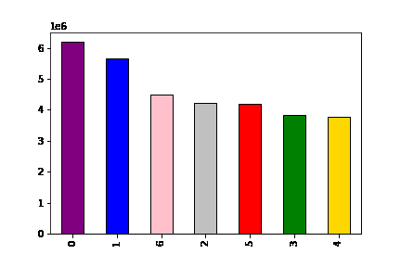
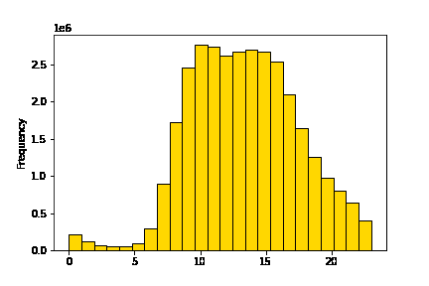

 |  | Legend
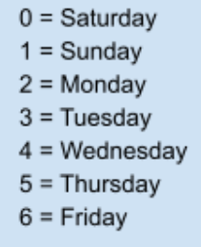

This histogram represents the busiest hours per day. This is determined by the frequency of orders placed each hour. The highest amount of orders are placed between 10:00 AM and 15:00 PM.
This bar chart represents the busiest days of the week. This is determined by how many orders are placed each day. The highest amount of orders are placed on Saturday, Sunday and Friday.

Q2. | They also want to know whether there are particular times of the day when people spend the most money,
 | as this might inform the type of products they advertise at these times.

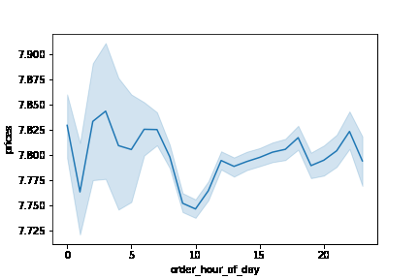

This line chart shows the average price of products purchased throughout the day. The most expensive product is purchased from 04:00 AM to 08:00 AM.

Q3. | Instacart has a lot of products with different price tags. Marketing and sales want to use simpler price range groupings to help direct their efforts.
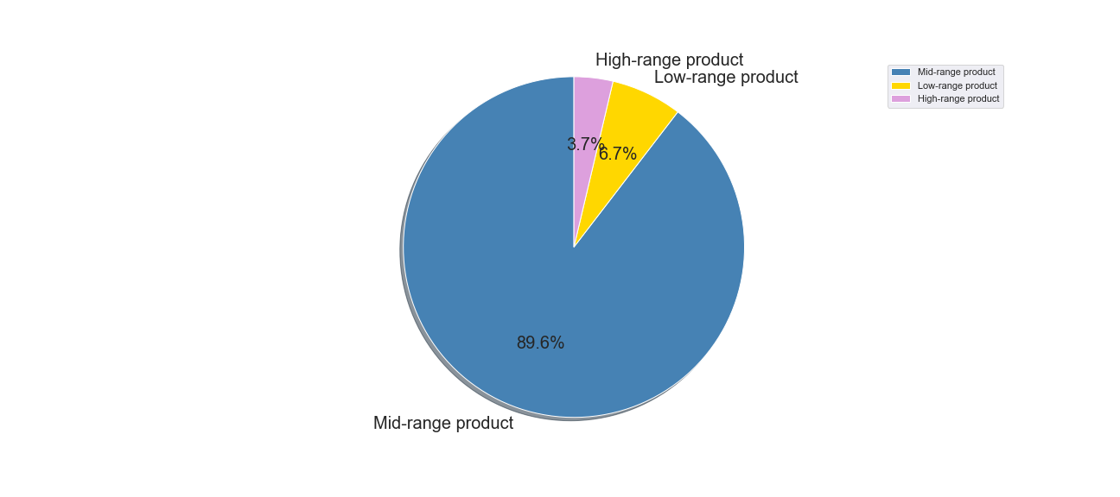

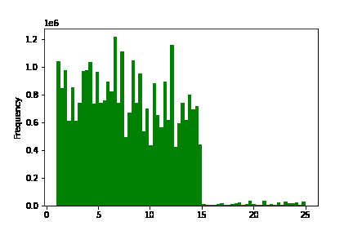

This histogram represents the distribution of prices within the products Instacart offers. Products were sorted into low-range, mid-range and high-range product categories.
The pie chart above represents the proportions of each cateogry:
low-range product If price < = $5, it will be labeled a “low-range product.”
mid-range product If price > $5 but < = $15, it will be labeled a “mid-range product.”
high-range product If price > $15, it will be labeled a “high-range product.”

Q4. | Are there certain types of products that are more popular than others? The marketing and sales teams want to know which departments have the highest frequency of product orders
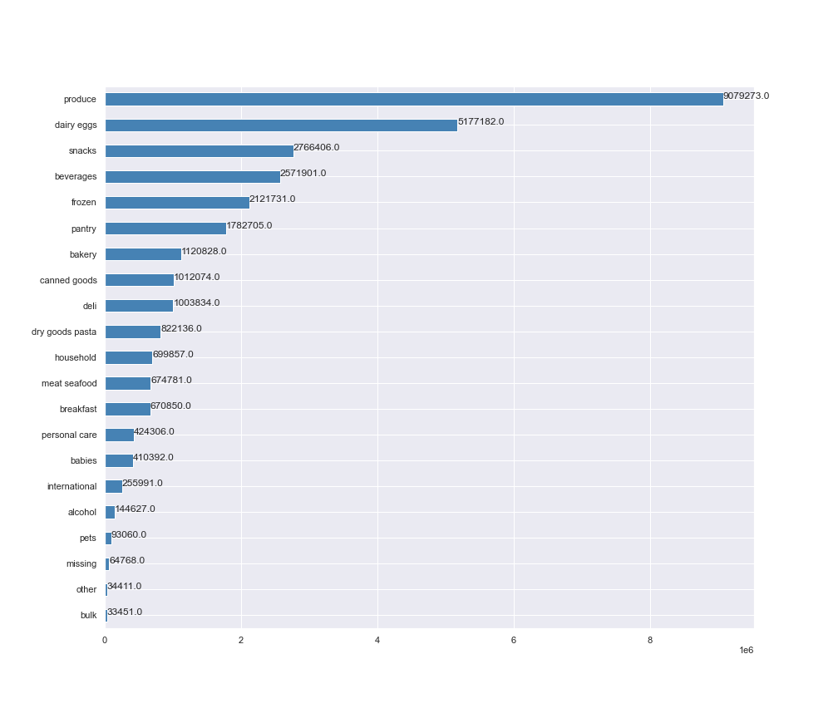

This histogram represents all the products ordered within each department.
The top 5 product departments:
1. Produce
2. Dairy Eggs
3. Snacks
4. Beverages
5. Frozen

Q5. | The marketing and sales teams are particularly interested in the different types of customers in their system and how their ordering behaviors differ.

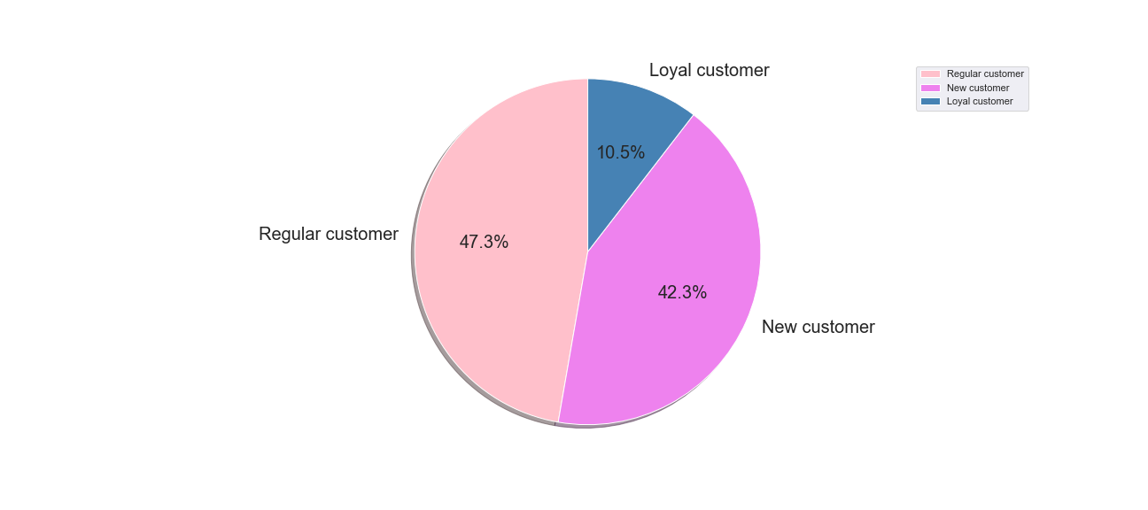

This pie chart shows the distribution of customers based on Instacart loyalty. The table below the Legend shows the count of customers within each category.
Customers were sorted into each cateogry based on the following criteria:
If max_order < = 10, it will be labeled a “New customer”
If max_order >10 but < = 40, it will be labeled a “Regular customer”
If max_order > 40, it will be labeled a “Loyal customer”

Q6. | Are there differences in ordering habits based on a customer’s loyalty status?

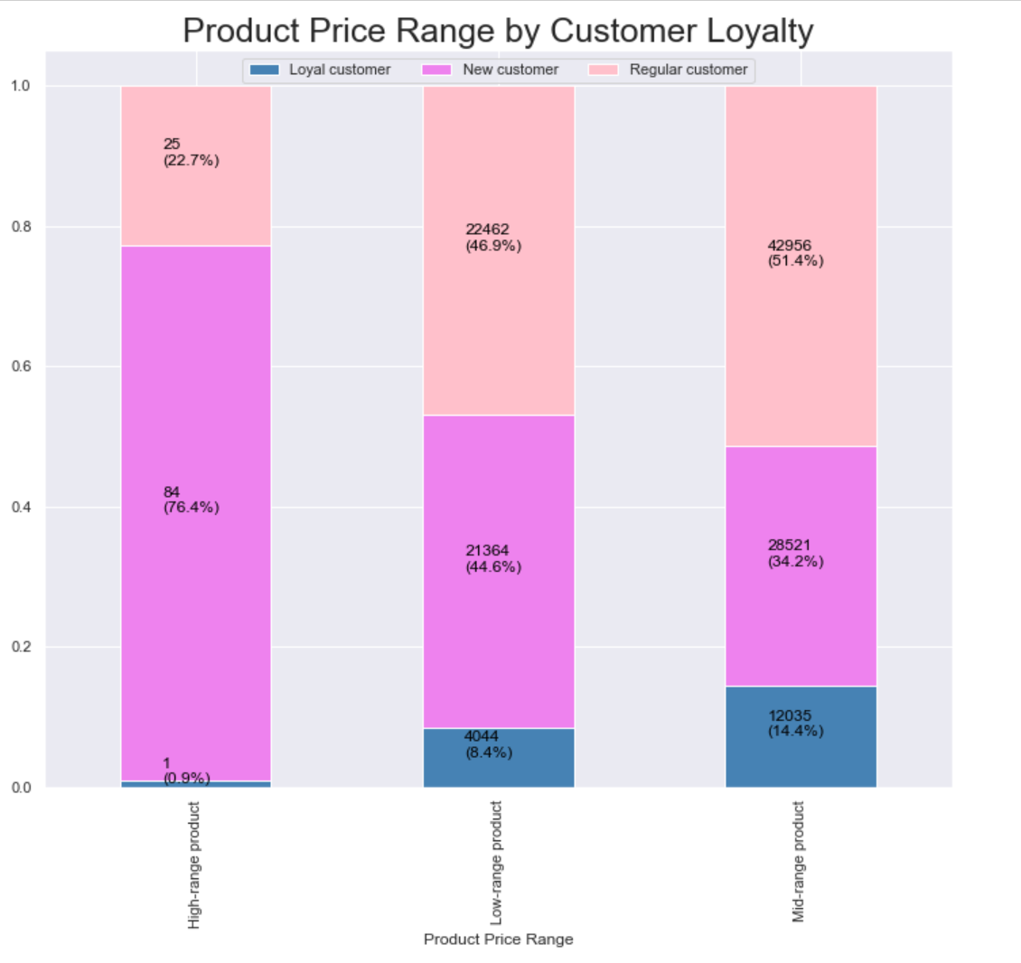

This chart represents the spending habits of customers based on loyalty status in the 3 product price ranges: high-range, mid-range and low-range price products.
New customers represent the largest group of high-range products being purchased. Regular customers are the 2nd largest group with highest amount of purchases in this category. Low-range and mid-range products purchases are made by regular customers at 44.69%

Q6. | Are there differences in ordering habits based on a customer’s region?

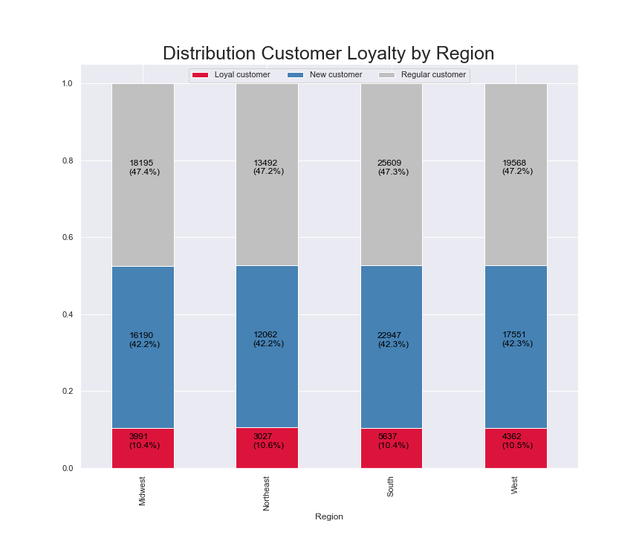
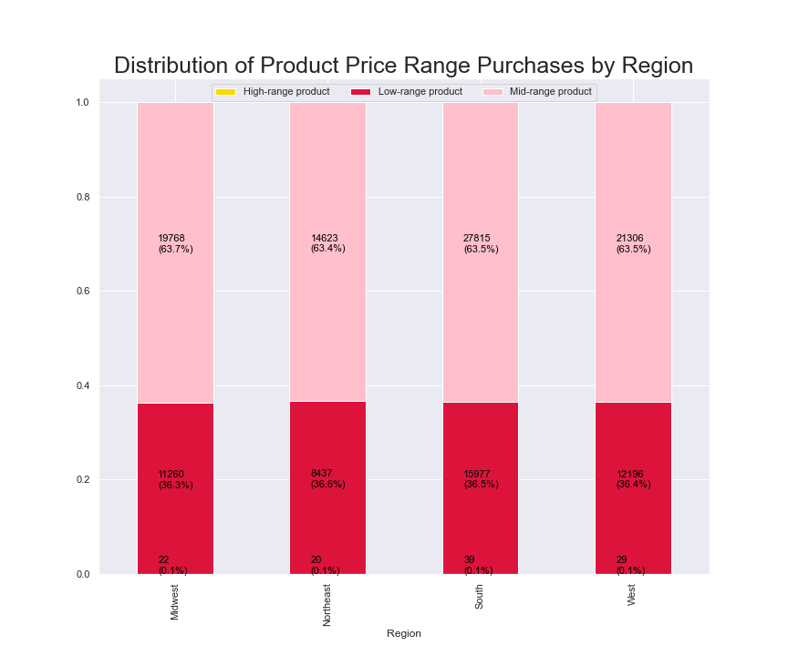

This stacked bar chart represents customer loyalty in each region of the United States. The distribution among all 4 regions is nearly the same among all 4 regions.
This stacked bar chart represents customer spending habits among the 4 regions. The distribution among all 4 regions is nearly the same.

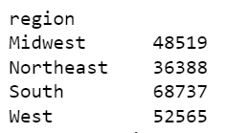
This table shows the total number of customers per region. The South has the highest number of customers. The West has the 2nd largest amount of customers. The Northeast has the lowest amount of customers, although this may be because it has the least amount of states in this region.

Q7. | Is there a connection between age and family status in terms of ordering habits?

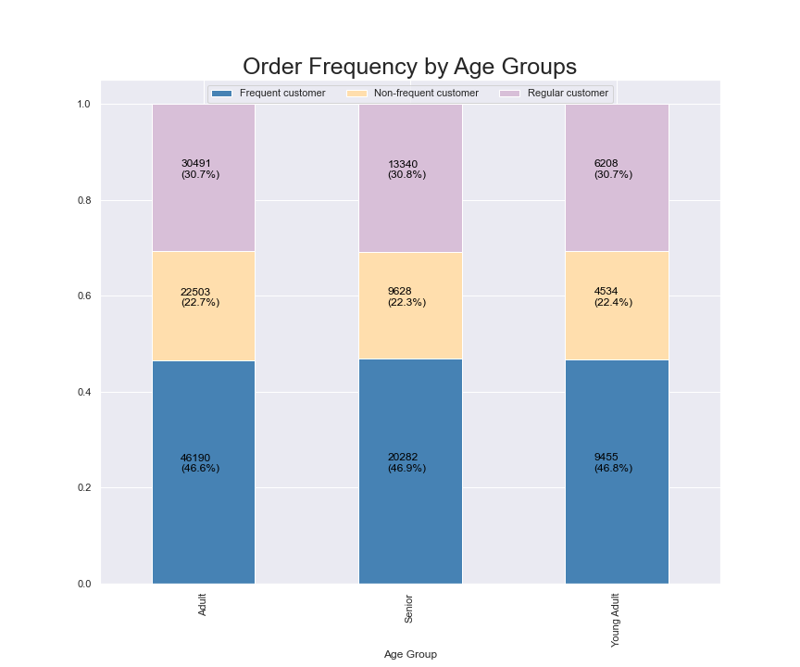

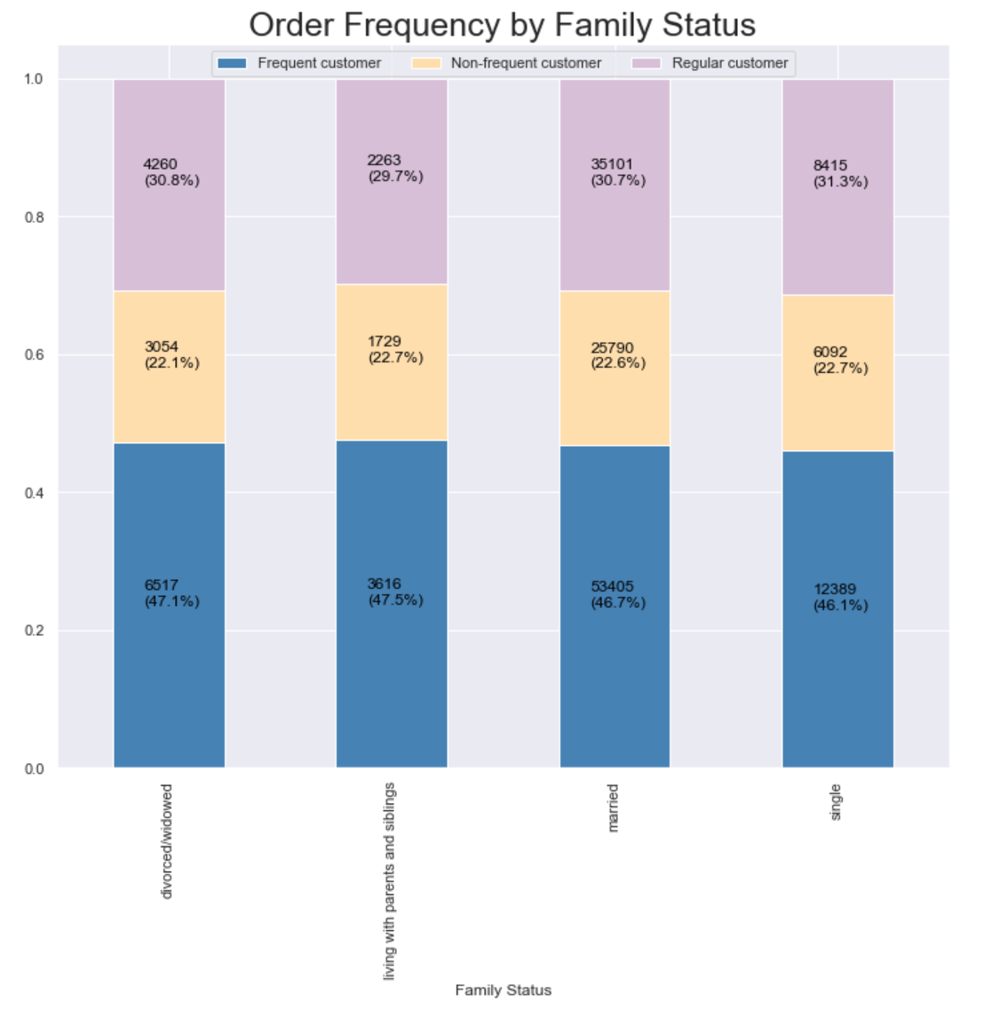

This stacked bar chart represents the loyalty among each age group. The distribution among each group is nearly the same.
Age Group is defined by:
If customer is 25 years or younger = Young Adult
If customer is between 26 and 64 = Adult
If customer is 65 years or older = Senior

This stacked bar chart represents customer loyalty among different family status categories. The distribution among the family categories are all nearly the same.

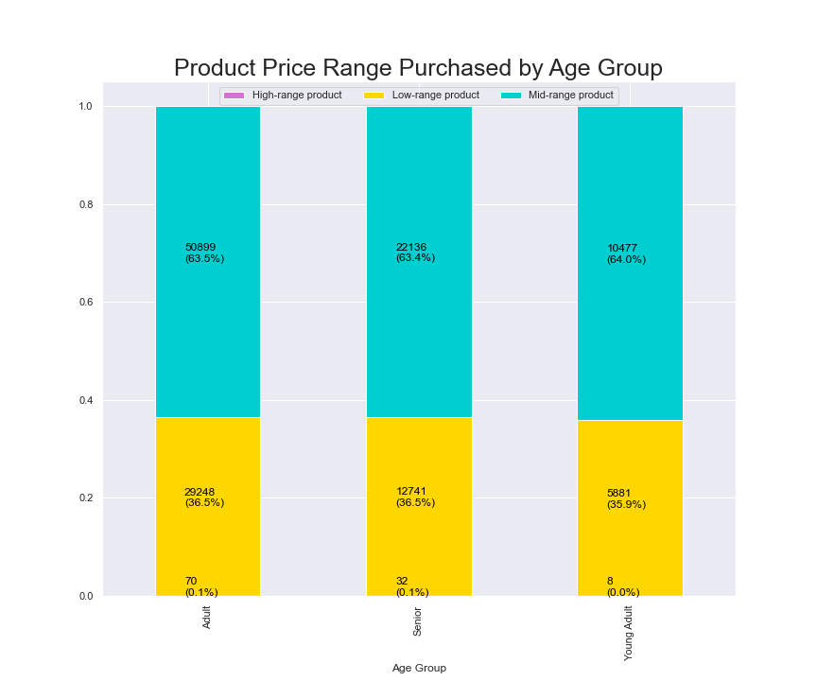

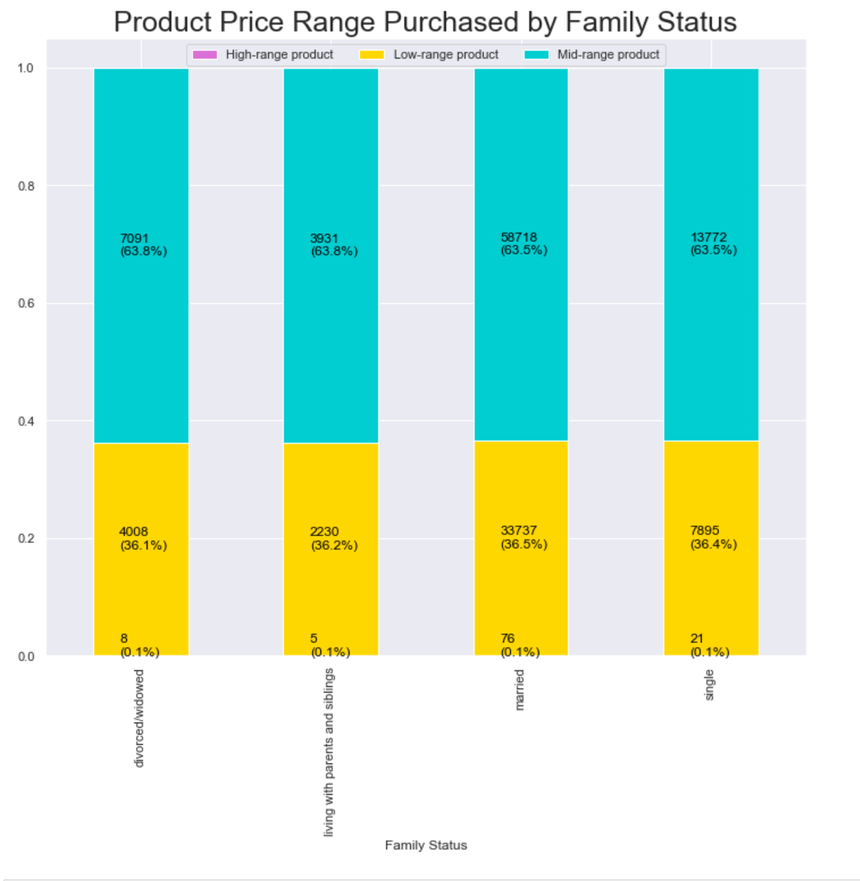

This stacked bar chart represents spending habits within each age group. The distribution among the age groups are nearly the same.
This stacked bar chart represents spending habits between family status categories. The distribution among the categories are nearly the same.

Q8. | What different classifications does the demographic information suggest? Age? Income? Certain types of goods? Family status?

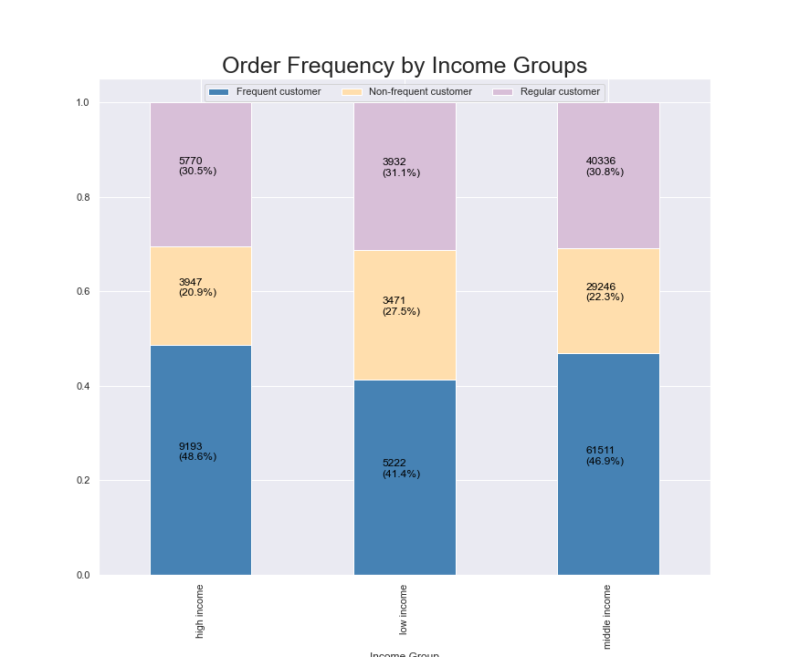
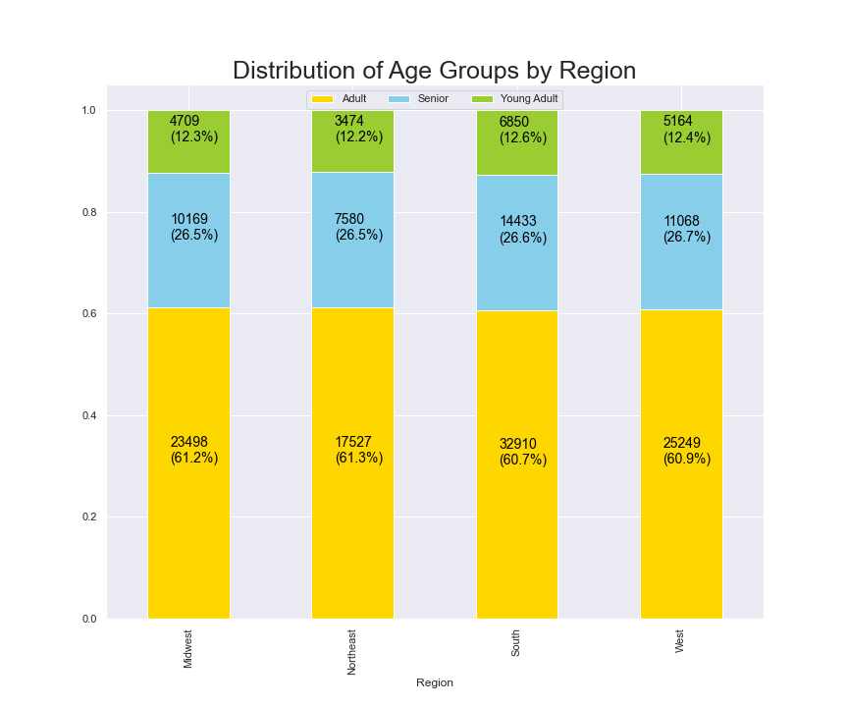

This stacked bar chart represents the distribution of age groups within each region. The distribution among the 4 regions is nearly the same.
This stacked bar represents order frequency among the different income groups. We can see that among the the low income Non-frequent customer group they are spending less than the other groups. High income and middle income have nearly the same distribution of order frequency.

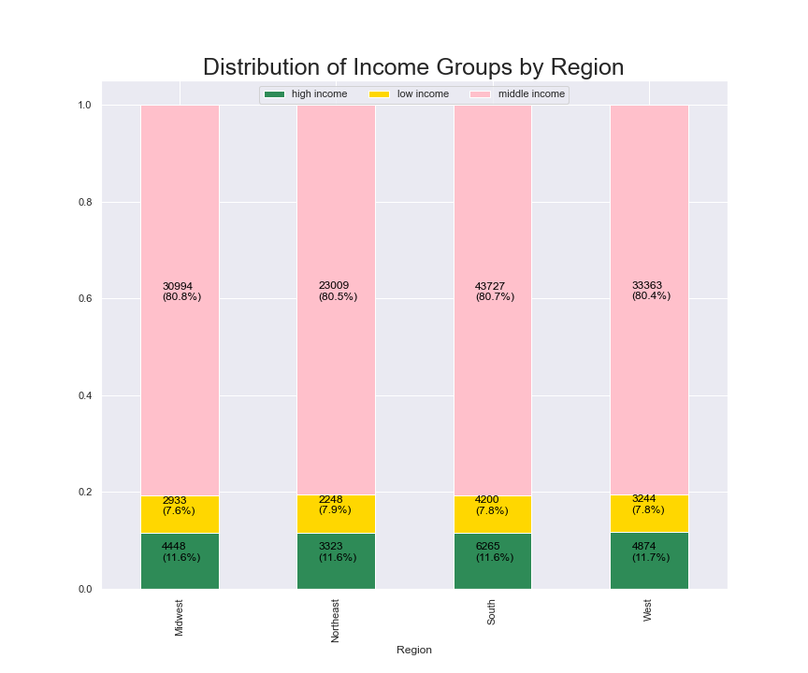

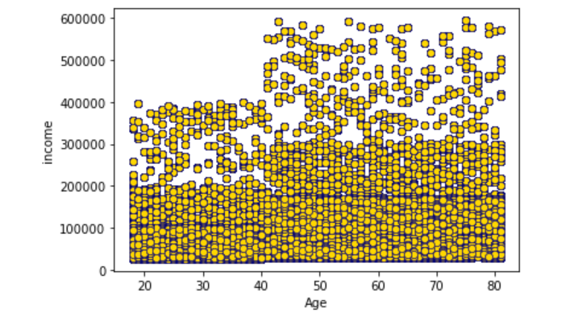

This stacked bar chart represents different income groups within the regions in the United States. The distribution among the different income groups is nearly the same.
Income Group is detfined by:
If income is less than $40,000 = low income
If income is $40,000 or more and less than $150,000 = middle income
If income is greater than $150,000 = high income
This scatterplot represents spending patterns by age of customers. A majority of customers are earning $200,000 and below annually. By age 40, a majority of these customers are earning $400,000 and above annually. Customers from the age of 40 to 80 are earning roughly $300,000 annually.

Q9. | What differences can you find in ordering habits of different customer profiles?

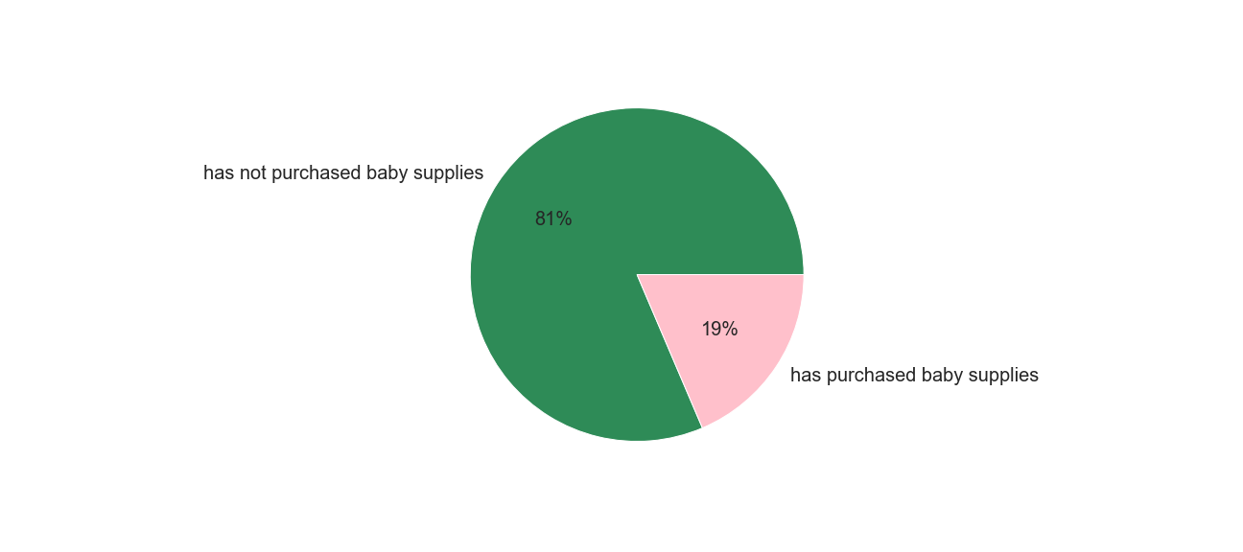
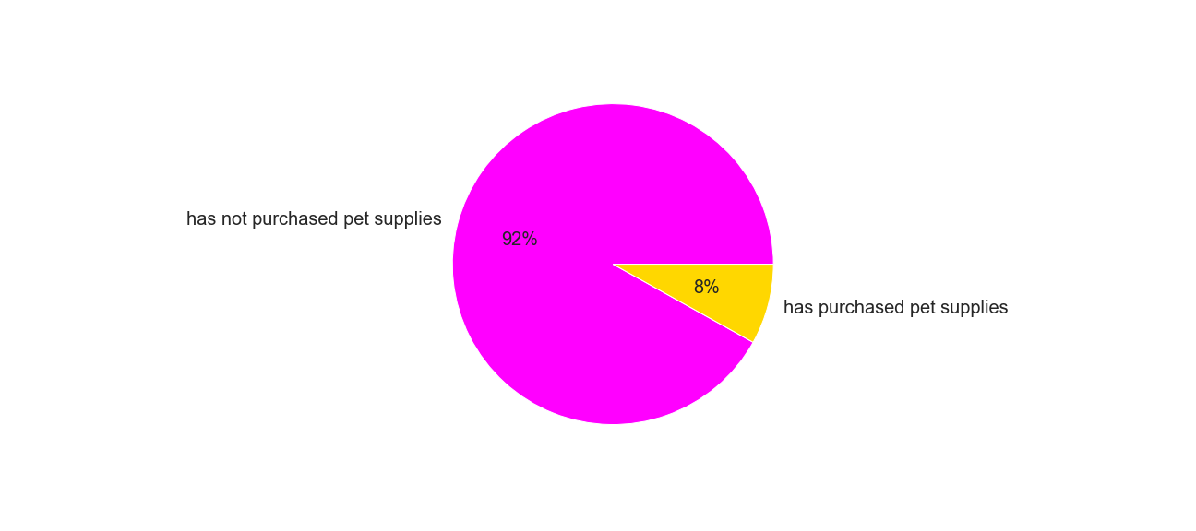

This pie chart shows the percentage of customers who have purchased baby supplies. 81% = Have not purchased baby supplies 19% = Have purchased baby supplies
This pie chart shows the percentage of customers who have purchased pet supplies. 92% = Have not purchased pet supplies 8% = Have purchased pet supplies.

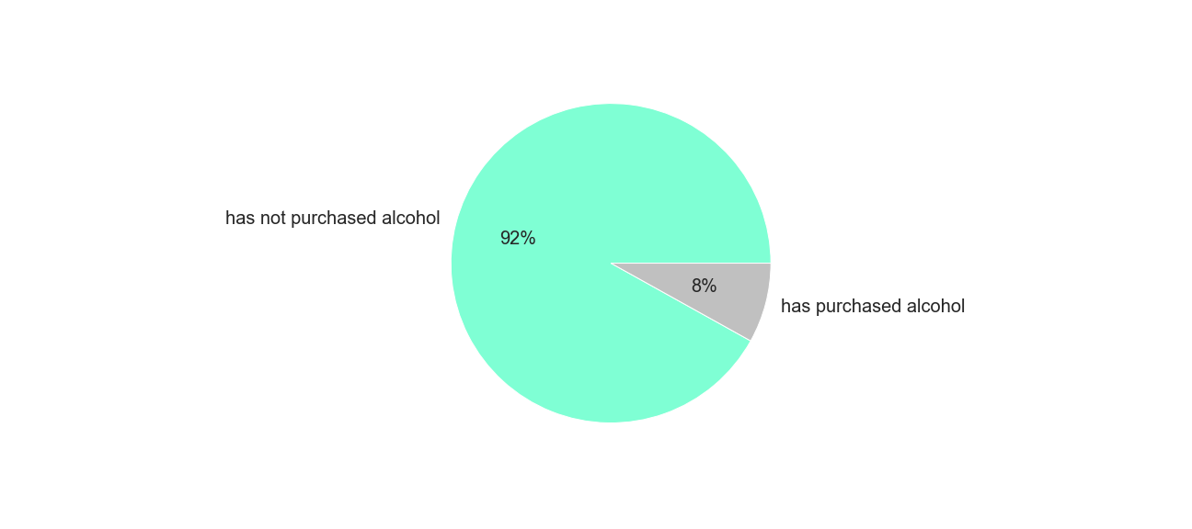

This pie chart shows the percentage of customers who have purchased alcohol. 92% = Have not purchased alcohol 8% = Have purchased alcohol

7. Recommendations
Recommendations

Key Question 1 | The sales team needs to know what the busiest days of the week and hours of the day are (i.e., the days and times with the most orders) in order to schedule ads at times when there are fewer orders.
Recommendation: Ads should be increased during the least busiest days of the week: Wednesday, Tuesday and Thursday during the least busiest hours of the day from 00:00AM and 05:00AM and after 20:00PM.

Key Question 2 | They also want to know whether there are particular times of the day when people spend the most money, as this might inform the type of products they advertise at these times.
Recommendation: Ads for higher price range products can be placed during 04:00AM through 08:00AM and 10AM through 15:00PM. In the time leading up to these busy hours,ads can encourage customers to purchase. the high-end products.

Key Question 3 | Are there certain types of products that are more popular than others? The marketing and sales teams want to know which departments have the highest frequency of product orders.
Recommendation: Marketing can focus on the Top 5 Departments: Produce, Dairy Eggs, Snacks, Beverages and Frozen. They can also focus on least popular products such as Alcohol and Bulk.

Key Question 4 | What’s the distribution among users in regards to their brand loyalty (i.e., how often do they return to Instacart)?
Recommendation: Marketing should focus on New Customers and Regular Customers, in doing so they can increase their chances of becoming loyal customers to Instacart.

Key Question 5 | Are there differences in ordering habits based on a customer’s loyalty status?
Recommendation: New Customers and Regular customers are the majority of customers making product purchases but they are not as consistent so notifications and advertisements should be targeted towar these 2 groups to encourage regular ordering habits.

Key Question 6 | Are there differences in ordering habits based on a customer’s region?
Recommendation: New Customer and Regular Customer are the majority within all 4 Regions, coupons or discounts should be advertised to the Loyal Customers in order to increase ordering habits.

Key Question 7 | Is there a connection between age and family status in terms of ordering habits?
Recommendation: The number of customers and sales corresponds to the population size of each region. In this case, ads can be targeted to increase customer base across all 4 regions.

Key Question 8 | What different classifications does the demographic information suggest? Age? Income? Certain types of goods? Family status?
Recommendation: Increase ads for high-range products to customers who can afford to purchase them, this can increase sales. Increase ads on middle and high income class or 40+ year old customers based on overall spending power.
Low and mid range products should be advertised to the low income group as they are less likely to be able to or willing to buy higher priced items.

Key Question 9 | What differences can you find in ordering habits of different customer profiles?
Recommendation: | Create ads for specific departments (Baby Supplies, Pet Supplies, Alcohol) these will be most successful when targeting customers who have a history of purchasing from those departments.
Baby and pet supplies and alcohol are generally for niche groups, creating ads for these customers may increase order history.

